Sheet1
CNN 1D |  |  |  |  |  |  | CNN 1D Optuna
Protein 1D Q3.ipynb |  |  |  |  |  |  | CNN 1D Optuna.ipynb
Accuracy | Precision | Recall | F1 Score | AUC | Loss | Epoch | Accuracy | Precision | Recall | F1 Score | AUC | Loss | N_Train | Epoch Train
0.8139 | 0.4195 | 0.6177 | 0.4313 | 0.9484 | 0.0120 | 12/30 | 0.8142 | 0.4409 | 0.6273 | 0.4454 | 0.9485 | 0.0117 | 20 | 7/30
Graf |  |  |  |  |  |  | Graf
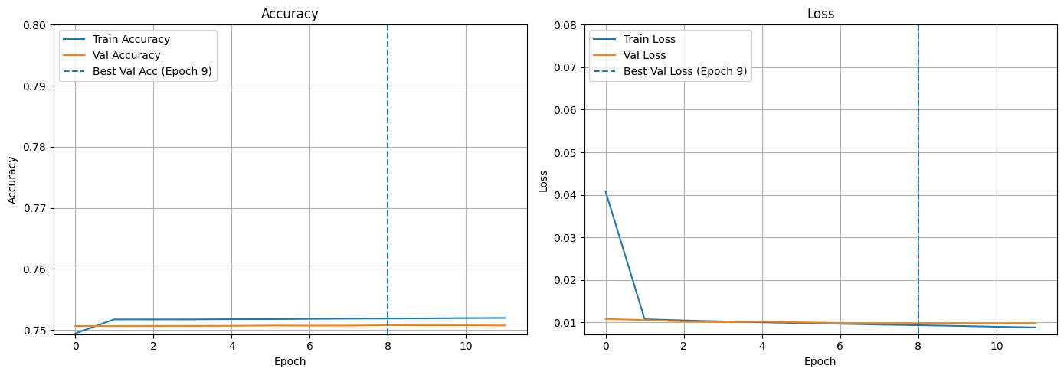
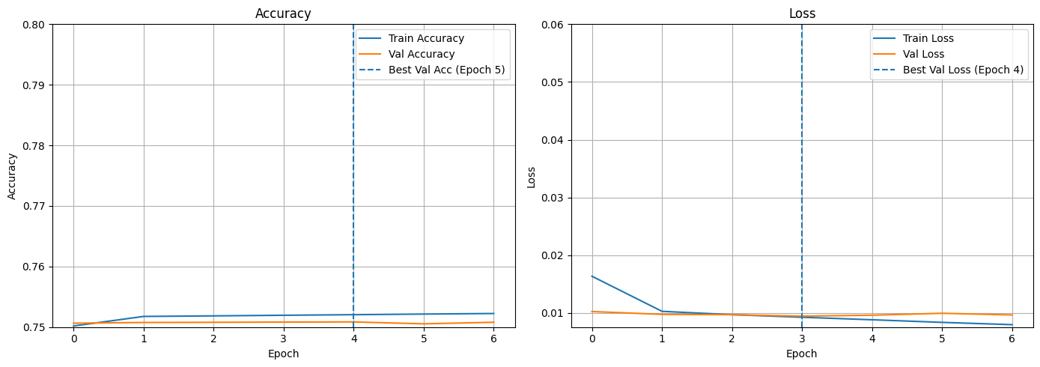

CNN 2D |  |  |  |  |  |  | CNN 2D Optuna
Protein 2D.ipynb |  |  |  |  |  |  | Protein 2D Optuna.ipynb
Accuracy | Precision | Recall | F1 Score | AUC | Loss | Epoch | Accuracy | Precision | Recall | F1 Score | AUC | Loss | N_Train | Epoch Train
0.8137 | 0.4156 | 0.6356 | 0.4318 | 0.9469 | 0.0124 | 24/30 | 0.8141 | 0.4240 | 0.6292 | 0.4385 | 0.9493 | 0.0114 | 10 | 8/20
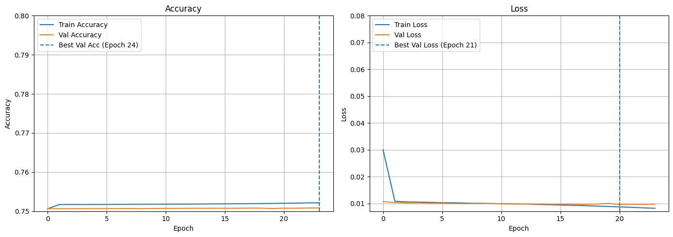
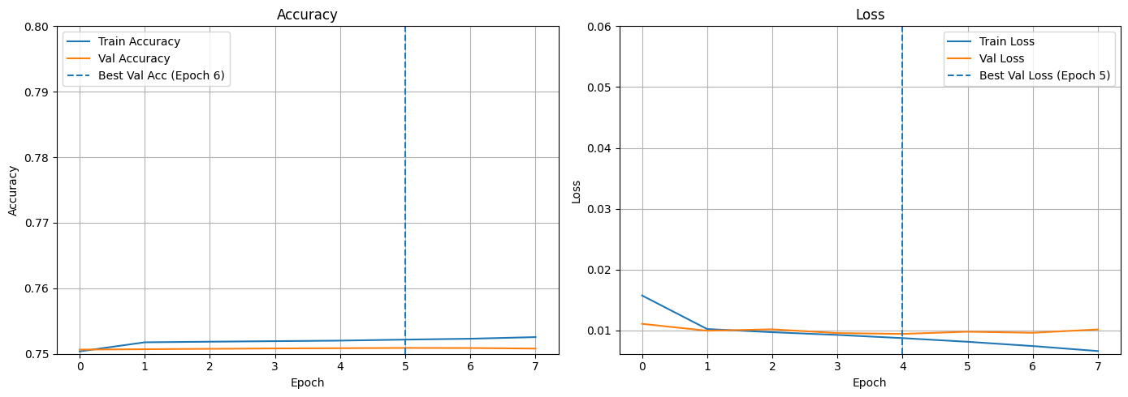
Graf |  |  |  |  |  |  | Graf

